1 Create Data load Stg module
Create numbered list and insert items manually . Number of items depends on how many models you have .I added 100 items as it was enough in my case .

Create a module dimenshioned by above list . Line items for this module should align with Sample file column names

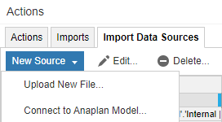
Manually upload the sample file(dont forget to renameyour file) into anaplan to create import source . This can be done via new source upload new file.

Import Data from upload file into your module. Please ensure you go clear all as everyday data will be refreshed into the module

Now you should have import action available in imports

2 Create Lists and Properties
Create workspace List and properties module

Import workspace list and properties from data staging module

Create models list and properties and import data from staging module

Create a module dimenshioned by modules list and Day and import memoryUsage column value
TIP :- you can import data load date into global module to display last data load on dashboard

Now you should have import action available in imports

3 process and dashboard

Create a process and include all the actions in order . This is the process script will execute on daily bases after loading file

Create your dashboards as per your liking mine are below

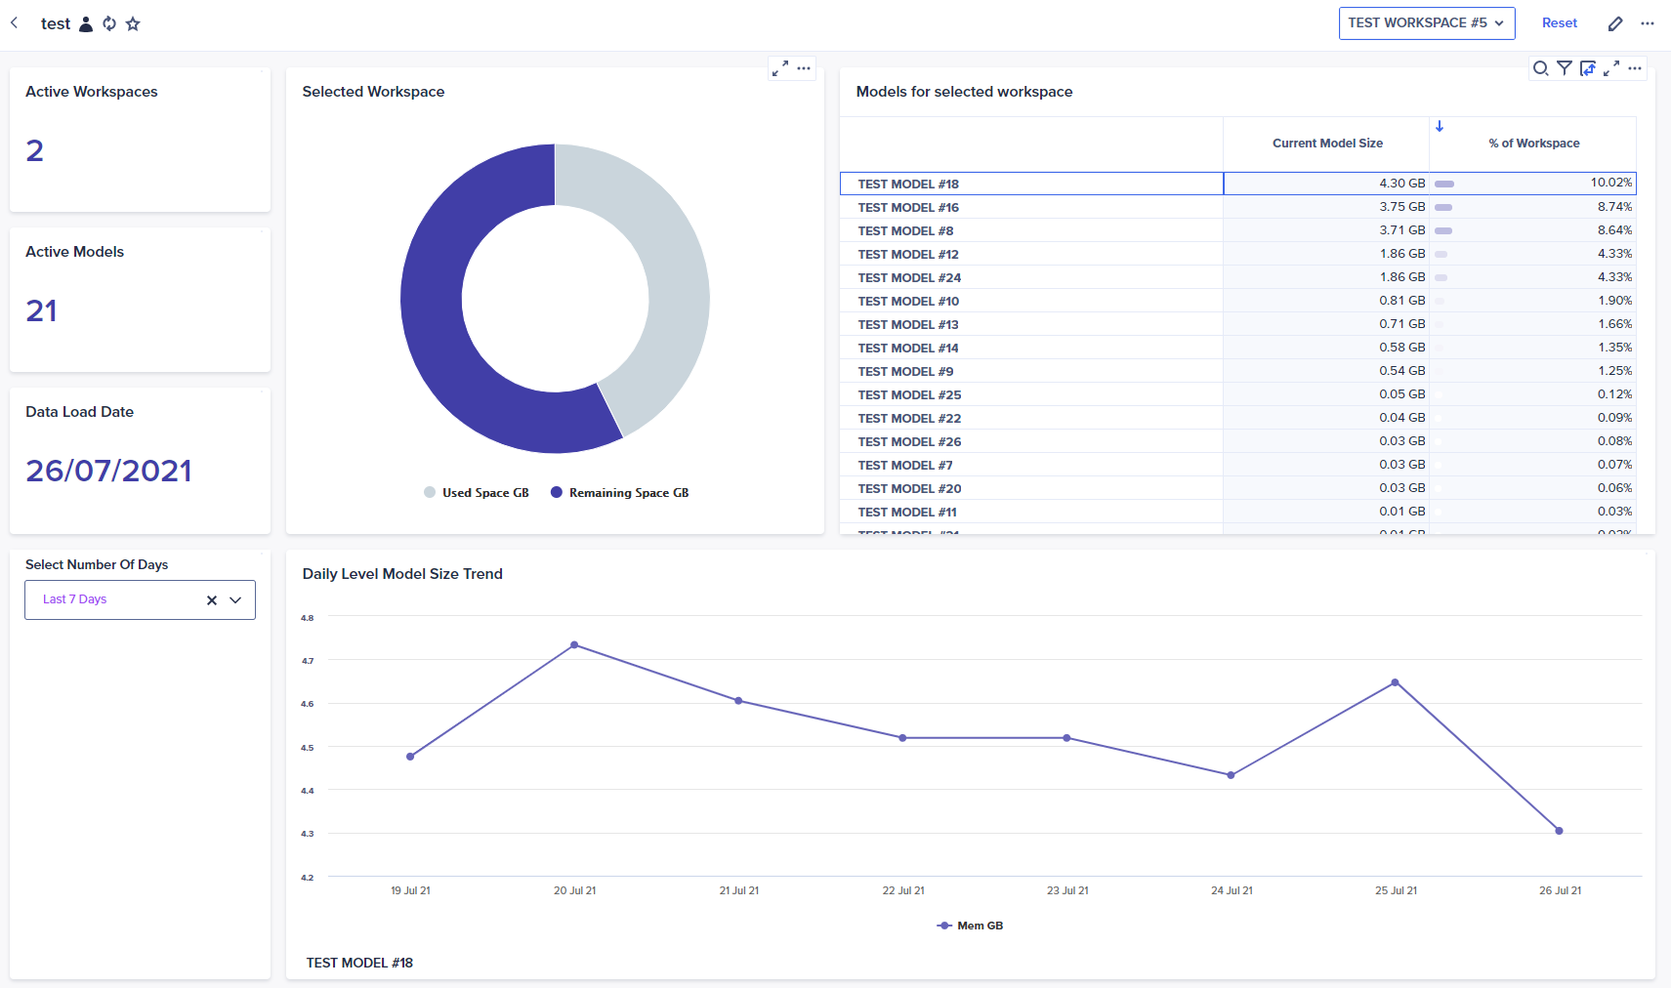

Number of days chnages the daily level size trend time view

